Wind Turbines
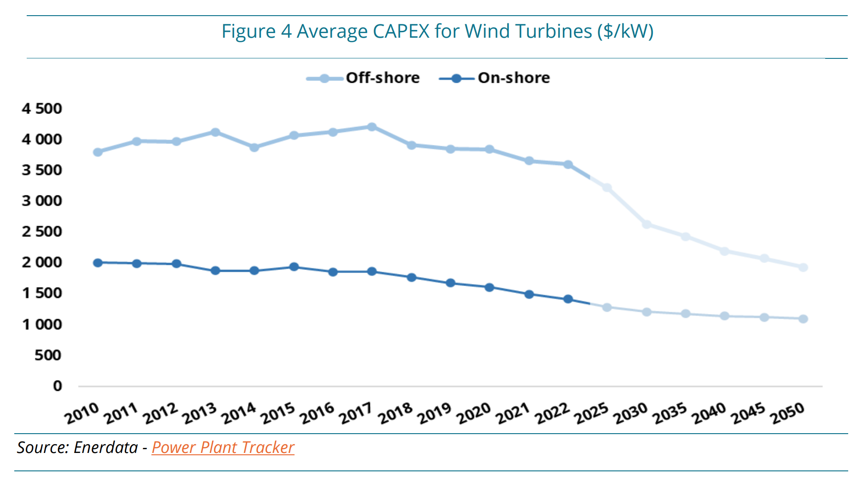
Item | Value | Unit
Manufacturing costs 2021 in EU | 0,7-0,8 | million€/MW
Manufacturing costs 2022 in EU | 0,8-1,2 | million€/MW

Manufacturing costs in 2022 in China | 0.6 | million€/MW

 | CAPEX 2022 | 1420 | $/kW | Onshore
 | CAPEX 2022 | 3609 | $/kW | Offshore

 | CAPEX 2030 | 1216 | $/kW | Offshore
 | CAPEX 2030 | 2636 | $/kW | Offshore

Source: https://d1owejb4br3l12.cloudfront.net/publications/executive-briefing/wind-turbines-manufacturers-market-share.pdf

Factor between manufacturing costs and CAPEX |  | 1.4 | Lower bound
 |  | 3.6 | Upper Bound

 | CAPEX 2022 | 1306 | EUR/kW | Onshore
 | CAPEX 2022 | 3320 | EUR/kW | Offshore

 | CAPEX 2030 | 1,119 | $/kW | Offshore
 | CAPEX 2030 | 2,425 | $/kW | Offshore

 | 920 | 230

